Experiment - oxygen level
Cruise | Leg | Site | Core | Time | Core diameter (cm) | Core area (m2) | Water column height (cm) | Core water volume (l) | O2 concentration before water change (umol/l) | O2 concentration after water change (umol/l) | Oxygen consumed uM | Water change corrected oxygen decrease umol/l | Slope/intercept | Flux (mmol/m2/d)
ArcticNEt 2015 | 3a | 435 | C1 | 0 | 9.9 | 0.0077 | 9.7 | 0.7467 | 375.67 | 373.58 | 0 | 373.58 | -6.88 | -0.66736
ArcticNEt 2015 | 3a | 435 | C1 | 1 | 9.9 | 0.0077 | 9.7 | 0.7467 | 355.14 |  | 18.44 | 355.14 | 370.002
ArcticNEt 2015 | 3a | 435 | C1 | 2 | 9.9 | 0.0077 | 9.7 | 0.7467 | 359.18 | 370.45 | -4.04 | 359.18
 | C | IA | PP
345 | 1.1 | 0.6 | 1.1
407 | -0.7 | -0.6 | 0.1
ArcticNEt 2015 | 3a | 435 | C1 | 3 | 9.9 | 0.0077 | 9.7 | 0.7467 | 364.39 |  | 6.06 | 353.12 |  |  |  | O2 flux | mmolO2/m2/d
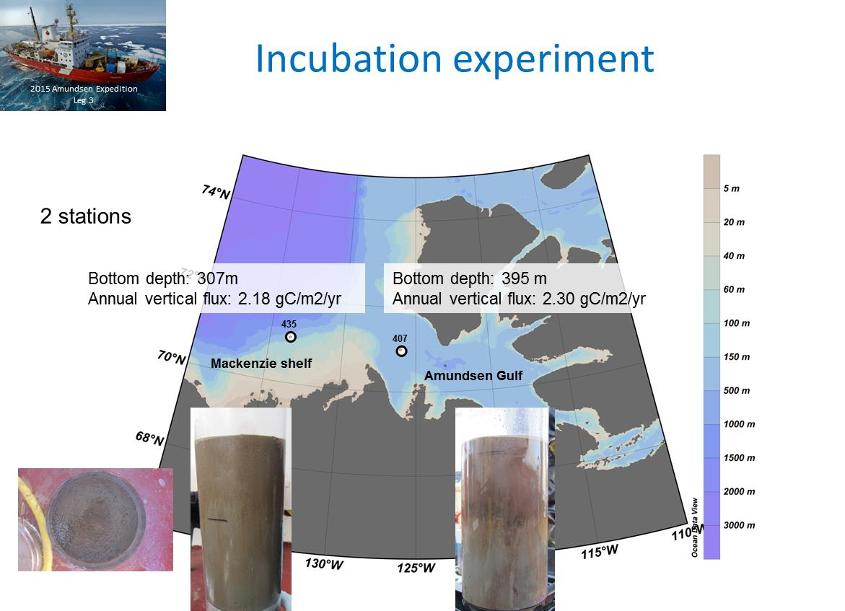
ArcticNEt 2015 | 3a | 435 | C1 | 4 | 9.9 | 0.0077 | 9.7 | 0.7467 | 351.46 |  | 12.93 | 340.19 |  |  |  | 345 | 345 | 407 | 407
 |  |  |  |  |  |  |  |  |  |  |  |  |  |  |  | AVG | STDEV | AVG | STDEV
ArcticNEt 2015 | 3a | 435 | C2 | 0 | 9.9 | 0.0077 | 12.8 | 0.9853 | 376.86 | 373.26 | 0 | 373.26 | -10.116 | -1.2690805248 | C | 1.1 | 0.5 | -0.7 | 0.3
ArcticNEt 2015 | 3a | 435 | C2 | 1 | 9.9 | 0.0079 | 12.8 | 0.9853 | 371.75 |  | 1.51 | 371.75 | 377.346 |  | IA | 0.6 | 0.5 | -0.6 | 0.4
ArcticNEt 2015 | 3a | 435 | C2 | 2 | 9.9 | 0.0077 | 12.8 | 0.9853 | 356.03 | 365.66 | 15.72 | 356.03 |  |  | PP | 1.1 | 0.6 | 0.1 | 0.3
ArcticNEt 2015 | 3a | 435 | C2 | 3 | 9.9 | 0.0077 | 12.8 | 0.9853 | 361.58 |  | 4.08 | 351.95
ArcticNEt 2015 | 3a | 435 | C2 | 4 | 9.9 | 0.0077 | 12.8 | 0.9853 | 342.21 |  | 19.37 | 332.58

ArcticNEt 2015 | 3a | 435 | C3 | 0 | 9.9 | 0.0077 | 12.1 | 0.9333 | 377.27 | 373.7 | 0 | 373.7 | -12.229 | -1.6447025822
ArcticNEt 2015 | 3a | 435 | C3 | 1 | 9.9 | 0.0069 | 12.1 | 0.9333 | 355.76 |  | 17.94 | 355.76 | 372.856
ArcticNEt 2015 | 3a | 435 | C3 | 2 | 9.9 | 0.0077 | 12.1 | 0.9333 | 346.16 | 355.99 | 9.6 | 346.16
ArcticNEt 2015 | 3a | 435 | C3 | 3 | 9.9 | 0.0077 | 12.1 | 0.9333 | 361.7 |  | -5.71 | 351.87
ArcticNEt 2015 | 3a | 435 | C3 | 4 | 9.9 | 0.0077 | 12.1 | 0.9333 | 324.33 |  | 37.37 | 314.5

ArcticNEt 2015 | 3a | 435 | C4 | 0 | 9.4 | 0.0069 | 12.1 | 0.8414 | 378.52 | 372.77 | 0 | 372.77 | -3.615 | -0.3872984475
ArcticNEt 2015 | 3a | 435 | C4 | 1 | 9.4 | 0.0079 | 12.1 | 0.8414 | 372.73 |  | 0.04 | 372.73 | 374.584
ArcticNEt 2015 | 3a | 435 | C4 | 2 | 9.4 | 0.0069 | 12.1 | 0.8414 | 364.86 | 350.85 | 7.87 | 364.86
ArcticNEt 2015 | 3a | 435 | C4 | 3 | 9.4 | 0.0069 | 12.1 | 0.8414 | 356.69 |  | -5.84 | 370.7
ArcticNEt 2015 | 3a | 435 | C4 | 4 | 9.4 | 0.0069 | 12.1 | 0.8414 | 341.7 |  | 14.99 | 355.71

ArcticNEt 2015 | 3a | 435 | C5 | 0 | 9.45 | 0.0070 | 11.4 | 0.7978 | 377.65 | 373.87 | 0 | 373.87 | -12.405 | -1.4261200435
ArcticNEt 2015 | 3a | 435 | C5 | 1 | 9.45 | 0.0069 | 11.4 | 0.7978 | 363.04 |  | 10.83 | 363.04 | 376.46
ArcticNEt 2015 | 3a | 435 | C5 | 2 | 9.45 | 0.0070 | 11.4 | 0.7978 | 354.42 | 349.75 | 8.62 | 354.42
ArcticNEt 2015 | 3a | 435 | C5 | 3 | 9.45 | 0.0070 | 11.4 | 0.7978 | 342.44 |  | 7.31 | 347.11
ArcticNEt 2015 | 3a | 435 | C5 | 4 | 9.45 | 0.0070 | 11.4 | 0.7978 | 315.14 |  | 27.3 | 319.81

ArcticNEt 2015 | 3a | 435 | IA1 | 0 | 9.9 | 0.0077 | 12.5 | 0.9641 | 377.08 | 376.49 | 0 | 376.49 | -4.616 | -0.578154
ArcticNEt 2015 | 3a | 435 | IA1 | 1 | 9.9 | 0.0077 | 12.5 | 0.9641 | 357 |  | 19.49 | 357 | 368.922
ArcticNEt 2015 | 3a | 435 | IA1 | 2 | 9.9 | 0.0077 | 12.5 | 0.9641 | 361.7 | 364.71 | -4.7 | 361.7
ArcticNEt 2015 | 3a | 435 | IA1 | 3 | 9.9 | 0.0077 | 12.5 | 0.9641 | 345.71 |  | 19 | 342.7
ArcticNEt 2015 | 3a | 435 | IA1 | 4 | 9.9 | 0.0077 | 12.5 | 0.9641 | 363.57 |  | -17.86 | 360.56

ArcticNEt 2015 | 3a | 435 | IA 2 | 0 | 9.9 | 0.0077 | 13.3 | 1.0199 | 373.42 | 374.89 | 0 | 374.89 | -3.295 | -0.4365875
ArcticNEt 2015 | 3a | 435 | IA 2 | 1 | 9.9 | 0.0077 | 13.3 | 1.0199 | 364.98 |  | 9.91 | 364.98 | 370.054
ArcticNEt 2015 | 3a | 435 | IA 2 | 2 | 9.9 | 0.0077 | 13.3 | 1.0199 | 360.34 | 362.1 | 4.64 | 360.34
ArcticNEt 2015 | 3a | 435 | IA 2 | 3 | 9.9 | 0.0077 | 13.3 | 1.0199 | 354.17 |  | 7.93 | 352.41
ArcticNEt 2015 | 3a | 435 | IA 2 | 4 | 9.9 | 0.0077 | 13.3 | 1.0199 | 366.46 |  | -12.29 | 364.7

ArcticNEt 2015 | 3a | 435 | IA 3 | 0 | 9.9 | 0.0077 | 12.7 | 0.9776 | 377.86 | 377.15 | 0 | 377.15 | -6.547 | -0.831469
ArcticNEt 2015 | 3a | 435 | IA 3 | 1 | 9.9 | 0.0077 | 12.7 | 0.9776 | 366.14 |  | 11.01 | 366.14 | 374.97
ArcticNEt 2015 | 3a | 435 | IA 3 | 2 | 9.9 | 0.0077 | 12.7 | 0.9776 | 355.3 | 354.45 | 10.84 | 355.3
ArcticNEt 2015 | 3a | 435 | IA 3 | 3 | 9.9 | 0.0077 | 12.7 | 0.9776 | 365.76 |  | -11.31 | 366.61
ArcticNEt 2015 | 3a | 435 | IA 3 | 4 | 9.9 | 0.0077 | 12.7 | 0.9776 | 343.33 |  | 22.43 | 344.18

ArcticNEt 2015 | 3a | 435 | IA 4 | 0 | 9.45 | 0.0070 | 11.1 | 0.7768 | 377.03 | 376.86 | 0 | 376.86 | -11.171 | -1.23718825
ArcticNEt 2015 | 3a | 435 | IA 4 | 1 | 9.45 | 0.0070 | 11.1 | 0.7768 | 345.71 |  | 31.15 | 345.71 | 368.442
ArcticNEt 2015 | 3a | 435 | IA 4 | 2 | 9.45 | 0.0070 | 11.1 | 0.7768 | 341.11 | 339.71 | 4.6 | 341.11
ArcticNEt 2015 | 3a | 435 | IA 4 | 3 | 9.45 | 0.0070 | 11.1 | 0.7768 | 344.52 |  | -4.81 | 345.92
ArcticNEt 2015 | 3a | 435 | IA 4 | 4 | 9.45 | 0.0070 | 11.1 | 0.7768 | 319.5 |  | 25.02 | 320.9

ArcticNEt 2015 | 3a | 435 | IA 5 | 0 | 9.45 | 0.0070 | 11.7 | 0.8183 | 383.8 | 374.04 | 0 | 374.04 | 1.25 | 0.14583333333
ArcticNEt 2015 | 3a | 435 | IA 5 | 1 | 9.45 | 0.0070 | 11.7 | 0.8183 | 369.15 |  | 4.89 | 369.15 | 371.328
ArcticNEt 2015 | 3a | 435 | IA 5 | 2 | 9.45 | 0.0070 | 11.7 | 0.8183 | 365.18 | 329.75 | 3.97 | 365.18
ArcticNEt 2015 | 3a | 435 | IA 5 | 3 | 9.45 | 0.0070 | 11.7 | 0.8183 | 356.38 |  | -26.63 | 391.81
ArcticNEt 2015 | 3a | 435 | IA 5 | 4 | 9.45 | 0.0070 | 11.7 | 0.8183 | 333.53 |  | 22.85 | 368.96

ArcticNEt 2015 | 3a | 435 | PP 1 | 0 | 9.45 | 0.0070 | 10.8 | 0.7540 | 373.83 | 374.33 | 0 | 374.33 | -19.187 | -2.0626025
ArcticNEt 2015 | 3a | 435 | PP 1 | 1 | 9.45 | 0.0070 | 10.8 | 0.7540 | 367.66 |  | 6.67 | 367.66 | 379.626
ArcticNEt 2015 | 3a | 435 | PP 1 | 2 | 9.45 | 0.0070 | 10.8 | 0.7540 | 338.34 | 350.54 | 29.32 | 338.34
ArcticNEt 2015 | 3a | 435 | PP 1 | 3 | 9.45 | 0.0070 | 10.8 | 0.7540 | 339.61 |  | 10.93 | 327.41
ArcticNEt 2015 | 3a | 435 | PP 1 | 4 | 9.45 | 0.0070 | 10.8 | 0.7540 | 310.72 |  | 28.89 | 298.52

ArcticNEt 2015 | 3a | 435 | PP 2 | 0 | 10 | 0.0079 | 9.9 | 0.7795 | 371.38 | 371.47 | 0 | 371.47 | -14.242 | -1.4135185
ArcticNEt 2015 | 3a | 435 | PP 2 | 1 | 10 | 0.0079 | 9.9 | 0.7795 | 359.81 |  | 11.66 | 359.81 | 369.662
ArcticNEt 2015 | 3a | 435 | PP 2 | 2 | 10 | 0.0079 | 9.9 | 0.7795 | 335.97 | 349.69 | 23.84 | 335.97
ArcticNEt 2015 | 3a | 435 | PP 2 | 3 | 10 | 0.0079 | 9.9 | 0.7795 | 330.67 |  | 19.02 | 316.95
ArcticNEt 2015 | 3a | 435 | PP 2 | 4 | 10 | 0.0079 | 9.9 | 0.7795 | 335.41 |  | -4.74 | 321.69

ArcticNEt 2015 | 3a | 435 | PP 3 | 0 | 9.9 | 0.0077 | 12.5 | 0.9622 | 376 | 371.14 | 0 | 371.14 | -3.968 | -0.496
ArcticNEt 2015 | 3a | 435 | PP 3 | 1 | 9.9 | 0.0077 | 12.5 | 0.9622 | 362.01 |  | 9.13 | 362.01 | 372.152
ArcticNEt 2015 | 3a | 435 | PP 3 | 2 | 9.9 | 0.0077 | 12.5 | 0.9622 | 367.99 | 345.71 | -5.98 | 367.99
ArcticNEt 2015 | 3a | 435 | PP 3 | 3 | 9.9 | 0.0077 | 12.5 | 0.9622 | 352.99 |  | -7.28 | 375.27
ArcticNEt 2015 | 3a | 435 | PP 3 | 4 | 9.9 | 0.0077 | 12.5 | 0.9622 | 322.39 |  | 30.6 | 344.67

ArcticNEt 2015 | 3a | 435 | PP 4 | 0 | 9.45 | 0.0070 | 9.5 | 0.6663 | 373.58 | 370.9 | 0 | 370.9 | -6.485 | -0.616075
ArcticNEt 2015 | 3a | 435 | PP 4 | 1 | 9.45 | 0.0070 | 9.5 | 0.6663 | 349.05 |  | 21.85 | 349.05 | 367.26
ArcticNEt 2015 | 3a | 435 | PP 4 | 2 | 9.45 | 0.0070 | 9.5 | 0.6663 | 356.77 | 333.68 | -7.72 | 356.77
ArcticNEt 2015 | 3a | 435 | PP 4 | 3 | 9.45 | 0.0070 | 9.5 | 0.6663 | 340.37 |  | -6.69 | 363.46
ArcticNEt 2015 | 3a | 435 | PP 4 | 4 | 9.45 | 0.0070 | 9.5 | 0.6663 | 308.18 |  | 32.19 | 331.27

ArcticNEt 2015 | 3a | 435 | PP 5 | 0 | 9.9 | 0.0077 | 10.9 | 0.8352 | 372.02 | 370.17 | 0 | 370.17 | -9.733 | -1.0560305
ArcticNEt 2015 | 3a | 435 | PP 5 | 1 | 9.9 | 0.0077 | 10.9 | 0.8352 | 345.26 |  | 24.91 | 345.26 | 363.43
ArcticNEt 2015 | 3a | 435 | PP 5 | 2 | 9.9 | 0.0077 | 10.9 | 0.8352 | 337.44 | 329.25 | 7.82 | 337.44
ArcticNEt 2015 | 3a | 435 | PP 5 | 3 | 9.9 | 0.0077 | 10.9 | 0.8352 | 337.44 |  | -8.19 | 345.63
ArcticNEt 2015 | 3a | 435 | PP 5 | 4 | 9.9 | 0.0077 | 10.9 | 0.8352 | 313.13 |  | 24.31 | 321.32
...

Sheet1
...
 | C | IA | PP
D0-407 | 0.105 | 0.104 | 0.157
D0-435 | 0.088 | 0.115 | 0.106
D0-177 | 0.085 | 0.085 | 0.083
D2-407 | 0.128 | 0.124 | 0.154
D2-435 | 0.095 | 0.074 | 0.079
D2-177 | 0.070 | 0.066 | 0.070
D4-407 | 0.084 | 0.106 | 0.120
D4-435 | 0.053 | 0.079 | 0.070
D4-177 | 0.051 | 0.086 | 0.098
 | C | IA | PP
D0-407 | 14.215 | 14.183 | 16.661
D0-435 | 14.315 | 14.441 | 19.020
D0-177 | 15.355 | 15.574 | 19.733
D2-407 | 16.747 | 16.322 | 21.058
D2-435 | 15.517 | 15.378 | 21.268
D2-177 | 15.088 | 15.652 | 20.115
D4-407 | 14.299 | 14.267 | 19.928
D4-435 | 15.748 | 16.512 | 22.794
D4-177 | 4.735 | 6.605 | 13.360
 | C | IA | PP
D0-407 | 1.198 | 1.308 | 1.761
D0-435 | 1.047 | 1.386 | 1.703
D0-177 | 1.585 | 1.929 | 2.143
D2-407 | 1.119 | 1.357 | 1.910
D2-435 | 1.151 | 1.470 | 1.829
D2-177 | 1.704 | 1.980 | 2.283
D4-407 | 0.803 | 0.938 | 1.329
D4-435 | 1.158 | 1.347 | 1.755
D4-177 | 0.966 | 1.137 | 1.600
 | C | IA | PP
D0-407 | 23.268 | 21.917 | 23.438
D0-435 | 18.954 | 20.009 | 19.299
D0-177 | 34.101 | 33.619 | 30.365
D2-407 | 47.083 | 43.077 | 46.441
D2-435 | 38.038 | 42.797 | 38.673
D2-177 | 64.750 | 69.932 | 62.312
D4-407 | 64.334 | 57.735 | 63.766
D4-435 | 54.035 | 58.143 | 54.403
D4-177 | 87.718 | 100.429 | 87.825
 |  |  |  |  |  | D0-407 | D0-435 | D0-177 | D2-407 | D2-435 | D2-177 | D4-407 | D4-435 | D4-177
T4-435(AV) | T4-435(SD) | T4-407(AV) | T4-407(SD) | T4-177(AV) | T4-177(SD)
0.084 | 0.010 | 0.053 | 0.017 | 0.051 | 0.006
0.106 | 0.034 | 0.079 | 0.028 | 0.086 | 0.008
0.120 | 0.031 | 0.070 | 0.017 | 0.098 | 0.008
...
T4-435(AV) | T4-435(SD) | T4-407(AV) | T4-407(SD) | T4-177(AV) | T4-177(SD)
14.299 | 1.376 | 15.748 | 0.535 | 4.735 | 2.424
14.267 | 1.138 | 16.512 | 0.572 | 6.605 | 2.249
19.928 | 1.066 | 22.794 | 0.853 | 13.360 | 2.606
...
T4-435(AV) | T4-435(SD) | T4-407(AV) | T4-407(SD) | T4-177(AV) | T4-177(SD)
0.803 | 0.067 | 1.158 | 0.065 | 0.966 | 0.138
0.938 | 0.141 | 1.347 | 0.082 | 1.137 | 0.135
1.329 | 0.080 | 1.755 | 0.139 | 1.600 | 0.142
...
T4-435(AV) | T4-435(SD) | T4-407(AV) | T4-407(SD) | T4-177(AV) | T4-177(SD)
64.334 | 12.762 | 54.035 | 3.926 | 87.718 | 6.031
57.735 | 5.590 | 58.143 | 7.523 | 100.429 | 11.796
63.766 | 6.884 | 54.403 | 6.270 | 87.825 | 4.845
...

